Diazepam
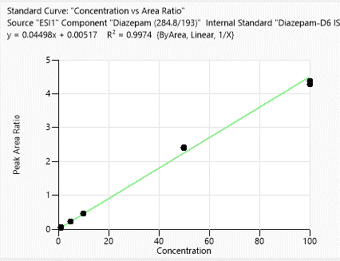
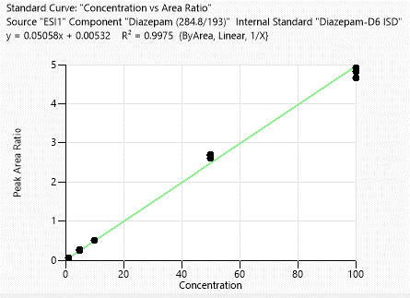
Calibration points data
 | 1st Day |  | 3rd Day
Concentration of clabibration points/ppb | Peak area/IS Ratio |  | Peak area/IS Ratio
1 | 0.050072251 | 1 | 0.055221766
1 | 0.046554208 | 1 | 0.055533641
1 | 0.048454013 | 1 | 0.053200004
5 | 0.233248573 | 1 | 0.054454924
5 | 0.229813473 | 5 | 0.242398317
5 | 0.226483166 | 5 | 0.265164843
10 | 0.459332834 | 5 | 0.261362915
10 | 0.458155138 | 5 | 0.251217737
10 | 0.454982586 | 10 | 0.511505114
50 | 2.398536187 | 10 | 0.508457054
50 | 2.425498511 | 10 | 0.515454003
50 | 2.415279711 | 10 | 0.520722021
100 | 4.282033176 | 50 | 2.751412798
100 | 4.366717101 | 50 | 2.655009546
100 | 4.382842563 | 50 | 2.652495061
 |  | 50 | 2.724884656
 |  | 100 | 5.025846289
 |  | 100 | 4.751077138
 |  | 100 | 4.925904828
 |  | 100 | 4.908756648

Accuracy points data
 | 1st Day |  | 3rd Day
Concentration of Accuracy points /ppb | Peak area/IS Ratio |  | Peak area/IS Ratio
2.5 | 0.123171112 | 2.5 | 0.134677562
2.5 | 0.124008255 | 2.5 | 0.135808198
2.5 | 0.126049223 | 2.5 | 0.132374173
25 | 1.092342161 | 2.5 | 0.130238205
25 | 1.096073197 | 25 | 1.170405356
25 | 1.089207381 | 25 | 1.210939065
75 | 3.438228662 | 25 | 1.232227643
75 | 3.488382003 | 25 | 1.219987746
75 | 3.489086324 | 75 | 3.76204858
 |  | 75 | 3.713185161
 |  | 75 | 3.751161625
 |  | 75 | 3.74721627

1st day
3rd day

Lorazepam
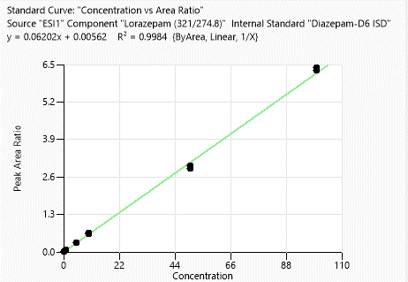
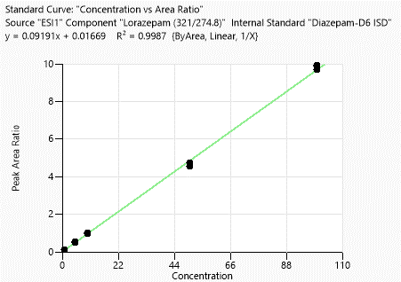
Calibration points data
 | 1st Day |  | 3rd Day
Concentration of clabibration points/ppb | Peak area/IS Ratio |  | Peak area/IS Ratio
1 | 0.062411784 | 1 | 0.106108135
1 | 0.063237301 | 1 | 0.105502509
1 | 0.065404511 | 1 | 0.101401732
5 | 0.323761492 | 1 | 0.10237947
5 | 0.33269424 | 5 | 0.492251052
5 | 0.331369527 | 5 | 0.505556747
10 | 0.637183942 | 5 | 0.512880909
10 | 0.637773143 | 5 | 0.499468115
10 | 0.649166115 | 10 | 0.965105991
50 | 2.898978086 | 10 | 0.952933
50 | 2.999765366 | 10 | 0.934841237
50 | 2.900814512 | 10 | 0.968913398
100 | 6.30098259 | 50 | 4.481352153
100 | 6.382327798 | 50 | 4.321542969
100 | 6.382762712 | 50 | 4.31144345
 |  | 50 | 4.503116315
 |  | 100 | 9.453237498
 |  | 100 | 9.202243964
 |  | 100 | 9.393741156
 |  | 100 | 9.445113456

Accuracy points data
 | 1st Day |  | 3rd Day
Concentration of Accuracy points /ppb | Peak area/IS Ratio |  | Peak area/IS Ratio
2.5 | 0.193701467 | 2.5 | 0.274319045
2.5 | 0.188024095 | 2.5 | 0.275458192
2.5 | 0.193282214 | 2.5 | 0.270376487
25 | 1.3342931 | 2.5 | 0.267418554
25 | 1.417499251 | 25 | 1.962606122
25 | 1.423959511 | 25 | 1.952760251
75 | 4.680472693 | 25 | 1.990467686
75 | 4.809458161 | 25 | 1.977670948
75 | 4.619717196 | 75 | 6.442371878
 |  | 75 | 6.461895421
 |  | 75 | 6.49926127
 |  | 75 | 6.556341986

1st day
3rd day

Metalachlor
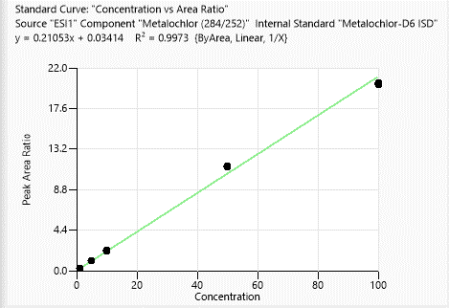
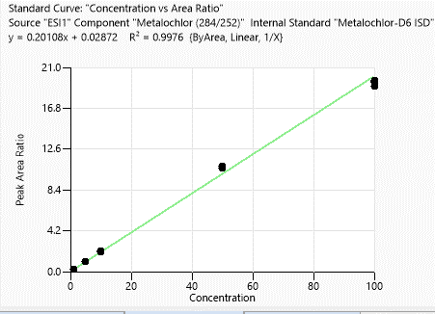
Calibration points data
 | 1st Day |  | 3rd Day
Concentration of clabibration points/ppb | Peak area/IS Ratio |  | Peak area/IS Ratio
1 | 0.230434044 | 1 | 0.214525589
1 | 0.231066306 | 1 | 0.21405079
1 | 0.237607037 | 1 | 0.224067929
5 | 1.10522752 | 1 | 0.224789909
5 | 1.090574007 | 5 | 1.01897167
5 | 1.078841255 | 5 | 1.066065295
10 | 2.234113745 | 5 | 1.064497571
10 | 2.142553338 | 5 | 1.037356784
10 | 2.149240463 | 50 | 10.674783701
50 | 11.354563889 | 50 | 10.818303623
50 | 11.29959188 | 50 | 10.832715394
50 | 11.246179468 | 50 | 10.625980134
100 | 20.424204526 | 10 | 2.092375479
100 | 20.320479109 | 10 | 2.023019141
100 | 20.212824533 | 10 | 2.054256398
 |  | 10 | 2.050658072
 |  | 100 | 19.666824846
 |  | 100 | 19.510409723
 |  | 100 | 19.077354186
 |  | 100 | 19.602803938

Accuracy points data
 | 1st Day |  | 3rd Day
Concentration of Accuracy points /ppb | Peak area/IS Ratio |  | Peak area/IS Ratio
2.5 | 0.553414502 | 2.5 | 0.539607249
2.5 | 0.5587164 | 2.5 | 0.552373856
2.5 | 0.570526691 | 2.5 | 0.529759813
25 | 5.004866558 | 2.5 | 0.534129536
25 | 5.084431065 | 25 | 4.963160092
25 | 5.118533438 | 25 | 4.902185802
75 | 15.726776124 | 25 | 4.861555275
75 | 15.622671411 | 25 | 4.875349299
75 | 15.698337226 | 75 | 15.220102731
 |  | 75 | 15.466028378
 |  | 75 | 14.880010748
 |  | 75 | 15.622856462

1st day
3rd day

Alprazolam
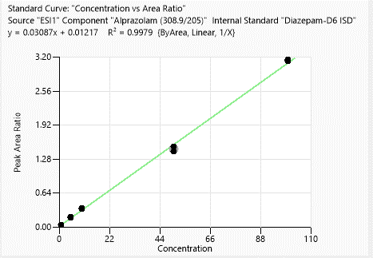
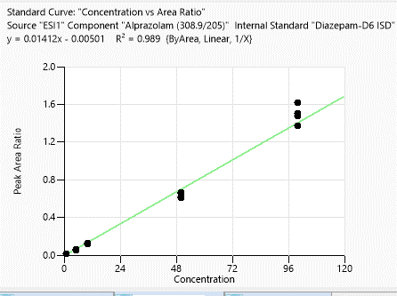
Calibration points data
 | 1st Day |  | 3rd Day
Concentration of clabibration points/ppb | Peak area/IS Ratio | 1 | Peak area/IS Ratio
1 | 0.04089498 | 1 | 0.013885287
1 | 0.039677786 | 1 | 0.01205212
1 | 0.036882257 | 1 | 0.013296047
5 | 0.192204034 | 5 | 0.209492113
5 | 0.173163379 | 5 | 0.0564446
5 | 0.176021881 | 5 | 0.054423228
10 | 0.341740447 | 5 | 0.056707029
10 | 0.353048581 | 10 | 0.013648043
10 | 0.334318361 | 10 | 0.115840323
50 | 1.478561995 | 10 | 0.124279975
50 | 1.519224465 | 10 | 0.114799648
50 | 1.433585444 | 50 | 0.052943564
100 | 3.138332213 | 50 | 0.6522205
100 | 3.158807732 | 50 | 0.617918549
100 | 3.140101449 | 50 | 0.661023045
 |  | 100 | 0.126071459
 |  | 100 | 1.621299392
 |  | 100 | 1.509130024
 |  | 100 | 1.373965654

Accuracy points data
 | 1st Day |  | 3rd Day
Concentration of Accuracy points /ppb | Peak area/IS Ratio |  | Peak area/IS Ratio
2.5 | 0.077191912 | 2.5 | 1.475527907
2.5 | 0.075490059 | 2.5 | 0.031441782
2.5 | 0.07861537 | 2.5 | 0.024108347
25 | 0.594193141 | 2.5 | 0.026682621
25 | 0.624125566 | 25 | 0.024578754
25 | 0.624423759 | 25 | 0.216233104
75 | 2.194462994 | 25 | 0.221132924
75 | 2.288816477 | 25 | 0.20228398
75 | 2.046202029 | 75 | 0.608272401
 |  | 75 | 0.83928648
 |  | 75 | 0.810544326
 |  | 75 | 0.866467674
 |  | 75 | 0.812287049

1st day
3rd day

Omeprazole
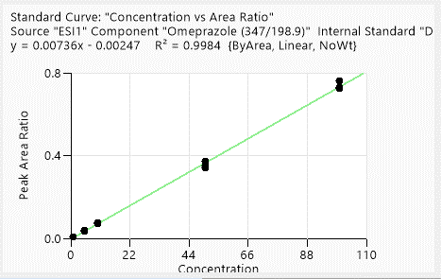
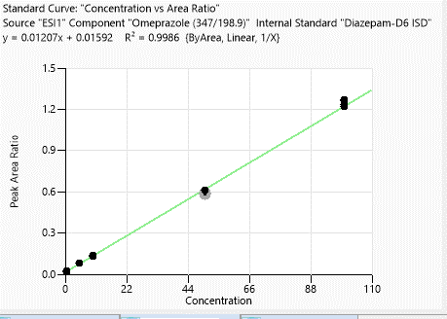
Calibration points data
 | 1st Day |  | 3rd Day
Concentration of clabibration points/ppb | Peak area/IS Ratio |  | Peak area/IS Ratio
1 | 0.004933719 | 0.5 | 0.023375309
1 | 0.005482917 | 0.5 | 0.02210674
1 | 0.005602761 | 0.5 | 0.019436342
5 | 0.034816567 | 0.5 | 0.022949837
5 | 0.039716331 | 5 | 0.079936886
5 | 0.035127097 | 5 | 0.078366588
10 | 0.071566413 | 5 | 0.079196609
10 | 0.075542348 | 5 | 0.079985723
10 | 0.075171887 | 10 | 0.134734756
50 | 0.349839874 | 10 | 0.129798151
50 | 0.341295939 | 10 | 0.127673844
50 | 0.373382936 | 10 | 0.137043201
100 | 0.725659419 | 50 | 0.603410296
100 | 0.760687673 | 50 | 0.590657823
100 | 0.727801268 | 50 | 0.581273881
 |  | 50 | 0.609308475
 |  | 100 | 1.262819418
 |  | 100 | 1.222702253
 |  | 100 | 1.266945291
 |  | 100 | 1.235313715

Accuracy points data
 | 1st Day |  | 3rd Day
Concentration of Accuracy points /ppb | Peak area/IS Ratio |  | Peak area/IS Ratio
2.5 | 0.016658623 | 2.5 | 0.052325729
2.5 | 0.016737562 | 2.5 | 0.048112376
2.5 | 0.018766001 | 2.5 | 0.051097505
25 | 0.173955147 | 2.5 | 0.050036847
25 | 0.179889649 | 25 | 0.303818281
25 | 0.188194637 | 25 | 0.286848164
75 | 0.586619575 | 25 | 0.286575627
75 | 0.595320247 | 25 | 0.309927528
75 | 0.597822107 | 75 | 0.924692619
 |  | 75 | 0.917612188
 |  | 75 | 0.917771906
 |  | 75 | 0.918349784

1st day
3rd day

Cyprodinil
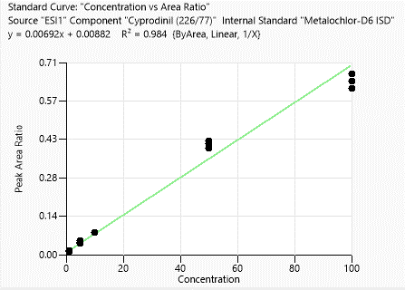
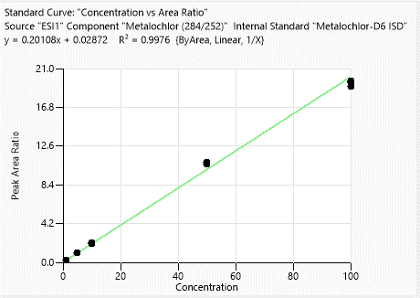
Calibration points data
 | 1st Day |  | 3rd Day
Concentration of clabibration points/ppb | Peak area/IS Ratio |  | Peak area/IS Ratio
1 | 0.943 | 1 | 0.214525589
1 | 0.873 | 1 | 0.21405079
1 | 0.503 | 1 | 0.224067929
5 | 6.136 | 1 | 0.224789909
5 | 4.868 | 5 | 1.01897167
5 | 5.346 | 5 | 1.066065295
10 | 10.759 | 5 | 1.064497571
10 | 10.793 | 5 | 1.037356784
10 | 10.495 | 10 | 2.092375479
50 | 59.366 | 10 | 2.023019141
50 | 58.165 | 10 | 2.054256398
50 | 55.778 | 10 | 2.050658072
100 | 95.115 | 50 | 10.674783701
100 | 91.134 | 50 | 10.818303623
100 | 87.726 | 50 | 10.832715394
 |  | 50 | 10.625980134
 |  | 100 | 19.666824846
 |  | 100 | 19.510409723
 |  | 100 | 19.077354186
 |  | 100 | 19.602803938

Accuracy points data
 | 1st Day |  | 3rd Day
Concentration of Accuracy points /ppb | Peak area/IS Ratio |  | Peak area/IS Ratio
2.5 | 1.347 | 2.5 | 0.539607249
2.5 | 1.204 | 2.5 | 0.552373856
2.5 | 1.627 | 2.5 | 0.529759813
25 | 18.148 | 2.5 | 0.534129536
25 | 18.475 | 25 | 4.963160092
25 | 19.052 | 25 | 4.902185802
75 | 63.528 | 25 | 4.861555275
75 | 58.717 | 25 | 4.875349299
75 | 60.341 | 75 | 15.220102731
 |  | 75 | 15.466028378
 |  | 75 | 14.880010748
 |  | 75 | 15.622856462

1st day
3rd day

Acetochlor
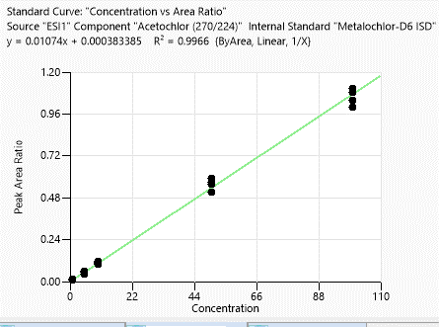
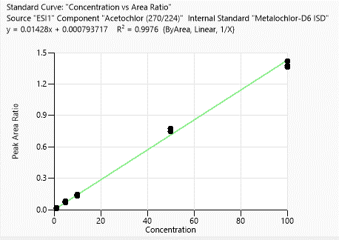
Calibration points data
 | 1st Day |  | 3rd Day
Concentration of clabibration points/ppb | Peak area/IS Ratio |  | Peak area/IS Ratio
1 | 0.016376372 | 1 | 0.013452651
1 | 0.013737519 | 1 | 0.009587099
1 | 0.013320588 | 1 | 0.009282144
5 | 0.080285917 | 1 | 0.010796725
5 | 0.070678883 | 5 | 0.061597411
5 | 0.0733076 | 5 | 0.043826111
10 | 0.134425828 | 5 | 0.058339726
10 | 0.14417915 | 5 | 0.056216927
10 | 0.141001808 | 10 | 0.101687009
50 | 0.776337357 | 10 | 0.114383592
50 | 0.749335678 | 10 | 0.104861166
50 | 0.749009679 | 10 | 0.110043778
100 | 1.417013326 | 50 | 0.588691755
100 | 1.365064497 | 50 | 0.555447873
100 | 1.378767254 | 50 | 0.568559439
 |  | 50 | 0.511322687
 |  | 100 | 1.081669404
 |  | 100 | 1.037669567
 |  | 100 | 0.997489751
 |  | 100 | 1.107201853

Accuracy points data
 | 1st Day |  | 3rd Day
Concentration of Accuracy points /ppb | Peak area/IS Ratio |  | Peak area/IS Ratio
2.5 | 0.033203798 | 2.5 | 0.027735769
2.5 | 0.036251784 | 2.5 | 0.026266216
2.5 | 0.033858726 | 2.5 | 0.025144615
25 | 0.321131604 | 2.5 | 0.027319706
25 | 0.305794656 | 25 | 0.240473209
25 | 0.284239307 | 25 | 0.228719271
75 | 0.91915074 | 25 | 0.241796004
75 | 1.040884919 | 25 | 0.237232173
75 | 1.026889675 | 75 | 0.813745481
 |  | 75 | 0.838443682
 |  | 75 | 0.742806656
 |  | 75 | 0.843997618

1st day
3rd day

Chlorpyrifos methyl
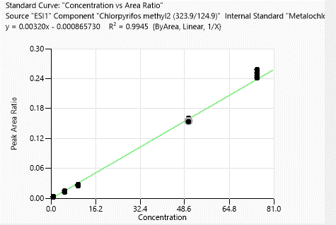
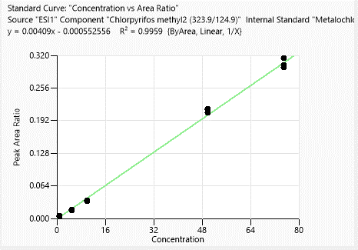
Calibration points data
 | 1st Day |  | 3rd Day
Concentration of clabibration points/ppb | Peak area/IS Ratio |  | Peak area/IS Ratio
1 | 0.004402029 | 1 | 0.003695387
1 | 0.004816482 | 1 | 0.002986725
1 | 0.004215815 | 1 | 0.002638912
5 | 0.017921894 | 1 | 0.00356508
5 | 0.017755043 | 5 | 0.012103691
5 | 0.015583659 | 5 | 0.01138674
10 | 0.036186956 | 5 | 0.015000426
10 | 0.035151085 | 5 | 0.012233228
10 | 0.033395298 | 10 | 0.026436727
50 | 0.213802129 | 10 | 0.025062137
50 | 0.215591439 | 10 | 0.026827794
50 | 0.20744654 | 10 | 0.028142596
75 | 0.315385731 | 50 | 0.160280199
75 | 0.301459323 | 50 | 0.154867444
75 | 0.297025466 | 50 | 0.153574843
 |  | 50 | 0.152968717
 |  | 75 | 0.245996362
 |  | 75 | 0.250694535
 |  | 75 | 0.241271894
 |  | 75 | 0.257982132

Accuracy points data
 | 1st Day |  | 3rd Day
Concentration of Accuracy points /ppb | Peak area/IS Ratio |  | Peak area/IS Ratio
2.5 | 0.010838063 | 2.5 | 0.008116962
2.5 | 0.010564149 | 2.5 | 0.009801112
2.5 | 0.010373298 | 2.5 | 0.007938217
25 | 0.096532636 | 2.5 | 0.007606033
25 | 0.096298257 | 25 | 0.07925202
25 | 0.100321416 | 25 | 0.079837952
 |  | 25 | 0.079700153
 |  | 25 | 0.082716192

1st day
3rd day

Atrazine
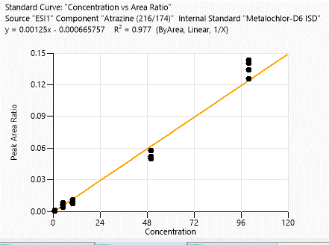
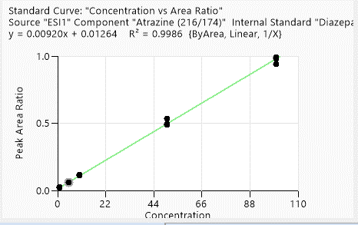
Calibration points data
 | 1st Day |  | 3rd Day
Concentration of clabibration points/ppb | Peak area/IS Ratio |  | Peak area/IS Ratio
1 | 0.021920985 | 1 | 0.001040862
1 | 0.021679303 | 1 | 0.001215266
1 | 0.022192287 | 1 | 0.000561261
5 | 0.05502363 | 1 | 0.000700576
5 | 0.059492957 | 5 | 0.00372102
5 | 0.055232596 | 5 | 0.0080977
10 | 0.103473601 | 5 | 0.006541379
10 | 0.110280708 | 5 | 0.005068052
10 | 0.106488572 | 10 | 0.011239436
50 | 0.509673062 | 10 | 0.008261863
50 | 0.466970081 | 10 | 0.007432778
50 | 0.464807676 | 10 | 0.009112574
100 | 0.933161474 | 50 | 0.057818694
100 | 0.943855203 | 50 | 0.051682501
100 | 0.894554124 | 50 | 0.049729098
 |  | 50 | 0.050769206
 |  | 100 | 0.140567013
 |  | 100 | 0.142973812
 |  | 100 | 0.134096642
 |  | 100 | 0.125409162

Accuracy points data
 | 1st Day |  | 3rd Day
Concentration of Accuracy points /ppb | Peak area/IS Ratio |  | Peak area/IS Ratio
2.5 | 0.033871946 | 2.5 | N/A
2.5 | 0.031056419 | 2.5 | 0.001371774
2.5 | 0.029812027 | 2.5 | 0.00146976
25 | 0.212138601 | 2.5 | 0.001209616
25 | 0.248788287 | 25 | 0.015084086
25 | 0.232683292 | 25 | 0.016079551
75 | 0.620419316 | 25 | 0.014959365
75 | 0.612242071 | 25 | 0.01346829
75 | 0.710167396 | 75 | 0.069680488
 |  | 75 | 0.068236906
 |  | 75 | 0.07615517
 |  | 75 | 0.064524122

1st day
3rd day

Methaqualone
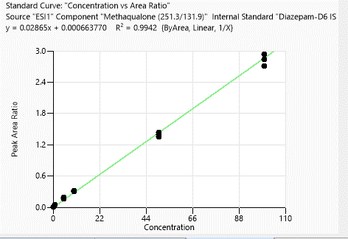
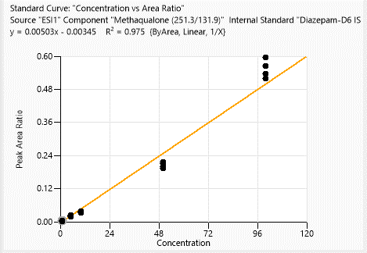
Calibration points data
 | 1st Day |  | 3rd Day
Concentration of clabibration points/ppb | Peak area/IS Ratio |  | Peak area/IS Ratio
1 | 0.046371137 | 1 | 0.003873714
1 | 0.047513268 | 1 | 0.003755489
1 | 0.043022373 | 1 | 0.003736053
5 | 0.188688106 | 1 | 0.001675683
5 | 0.184940322 | 5 | 0.020904628
5 | 0.164390996 | 5 | 0.017514124
10 | 0.321277706 | 5 | 0.022969132
10 | 0.308425035 | 5 | 0.02101646
10 | 0.307006999 | 10 | 0.037795944
50 | 1.431075446 | 10 | 0.03594421
50 | 1.399557646 | 10 | 0.031404806
50 | 1.35048933 | 10 | 0.037229635
100 | 2.838332213 | 50 | 0.216219303
100 | 2.938892461 | 50 | 0.211421839
100 | 2.714450849 | 50 | 0.192854425
 |  | 50 | 0.198364946
 |  | 100 | 0.596819857
 |  | 100 | 0.535063397
 |  | 100 | 0.565574557
 |  | 100 | 0.518420702

Accuracy points data
 | 1st Day |  | 3rd Day
Concentration of Accuracy points /ppb | Peak area/IS Ratio |  | Peak area/IS Ratio
2.5 | 0.047764489 | 2.5 | 0.007295623
2.5 | 0.048335313 | 2.5 | 0.006978543
2.5 | 0.044780645 | 2.5 | 0.006255083
25 | 0.437968633 | 2.5 | 0.007917606
25 | 0.396145002 | 25 | 0.091889382
25 | 0.373573645 | 25 | 0.078900469
75 | 1.476847037 | 25 | 0.083416823
75 | 1.485697177 | 25 | 0.074644073
75 | 1.345958876 | 75 | 0.352491227
 |  | 75 | 0.347996474
 |  | 75 | 0.361236612
 |  | 75 | 0.32740437

1st day
3rd day

